Sheet1
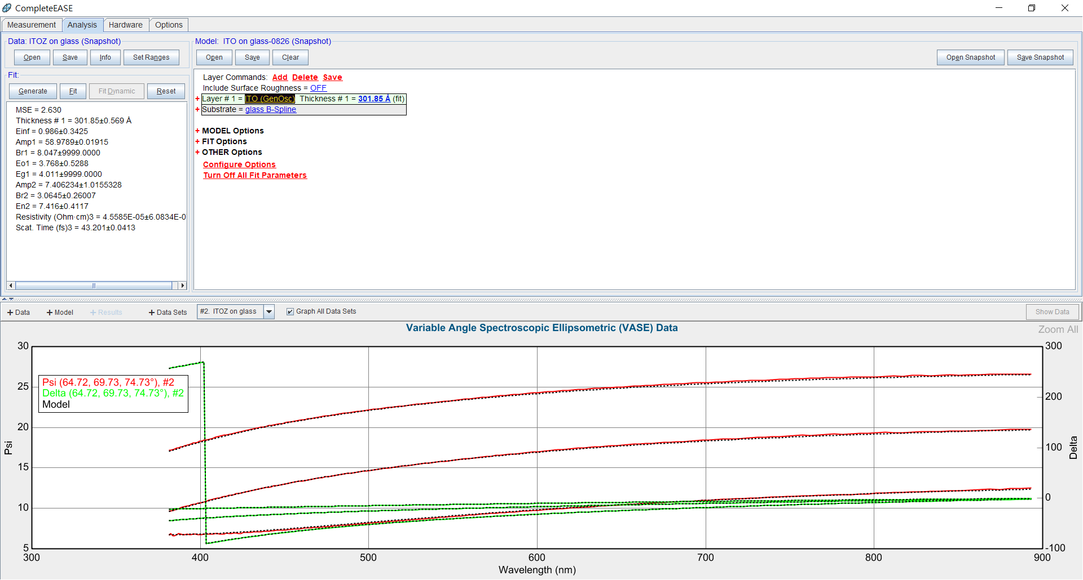

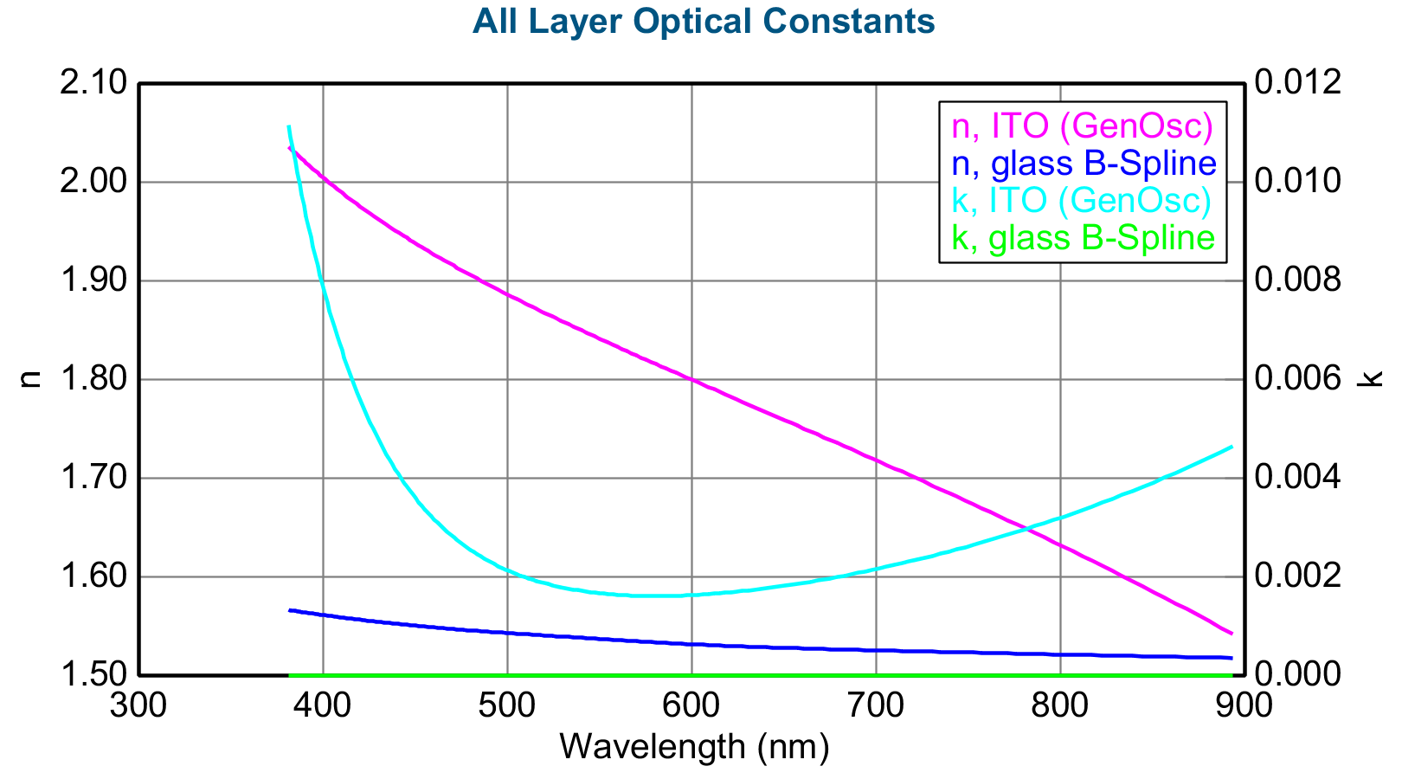
Opt. Const. of ITO (GenOsc) vs. nm
Wavelength (nm) | n | k
381.203583 | 2.036143 | 0.011164
382.375854 | 2.034028 | 0.010913
383.555359 | 2.031921 | 0.010668
384.742188 | 2.029823 | 0.010428
385.936371 | 2.027732 | 0.010194
387.138 | 2.025649 | 0.009964
388.347107 | 2.023574 | 0.009739
389.563812 | 2.021507 | 0.009519
390.788177 | 2.019446 | 0.009304
392.020233 | 2.017394 | 0.009093
393.260071 | 2.015348 | 0.008887
394.507813 | 2.013309 | 0.008686
395.763489 | 2.011278 | 0.008489
397.027161 | 2.009253 | 0.008296
398.298981 | 2.007235 | 0.008108
399.578918 | 2.005223 | 0.007923
400.867126 | 2.003218 | 0.007743
402.163696 | 2.001219 | 0.007567
403.468658 | 1.999226 | 0.007395
404.782135 | 1.997239 | 0.007226
406.104156 | 1.995258 | 0.007062
407.434875 | 1.993283 | 0.006901
408.774323 | 1.991313 | 0.006744
410.12262 | 1.989349 | 0.006591
411.479828 | 1.98739 | 0.006441
412.846039 | 1.985436 | 0.006294
414.221375 | 1.983487 | 0.006151
415.605896 | 1.981543 | 0.006012
416.999695 | 1.979604 | 0.005875
418.402893 | 1.97767 | 0.005742
419.815521 | 1.975739 | 0.005612
421.237732 | 1.973814 | 0.005485
422.669617 | 1.971892 | 0.005361
424.111328 | 1.969974 | 0.00524
425.562836 | 1.968061 | 0.005122
427.024353 | 1.966151 | 0.005007
428.495941 | 1.964244 | 0.004895
429.977722 | 1.962341 | 0.004785
431.469788 | 1.960442 | 0.004679
432.972229 | 1.958545 | 0.004574
434.485168 | 1.956651 | 0.004473
436.008698 | 1.95476 | 0.004374
437.542969 | 1.952872 | 0.004277
439.088043 | 1.950987 | 0.004183
440.644104 | 1.949103 | 0.004091
442.211243 | 1.947222 | 0.004002
443.789551 | 1.945343 | 0.003915
445.37915 | 1.943466 | 0.00383
446.980225 | 1.94159 | 0.003748
448.592834 | 1.939716 | 0.003668
450.217102 | 1.937843 | 0.003589
451.85318 | 1.935972 | 0.003513
453.501129 | 1.934101 | 0.003439
455.161224 | 1.932232 | 0.003367
456.833496 | 1.930363 | 0.003297
458.518127 | 1.928494 | 0.003229
460.215179 | 1.926626 | 0.003163
461.924896 | 1.924758 | 0.003098
463.647308 | 1.92289 | 0.003036
465.38266 | 1.921021 | 0.002975
467.131042 | 1.919152 | 0.002916
468.892578 | 1.917283 | 0.002858
470.66748 | 1.915413 | 0.002803
472.455872 | 1.913541 | 0.002749
474.257904 | 1.911669 | 0.002696
476.07373 | 1.909795 | 0.002645
477.903503 | 1.90792 | 0.002596
479.747406 | 1.906042 | 0.002549
481.605621 | 1.904163 | 0.002502
483.47821 | 1.902281 | 0.002457
485.36554 | 1.900397 | 0.002414
487.267517 | 1.898511 | 0.002372
489.18457 | 1.896621 | 0.002332
491.116699 | 1.894729 | 0.002293
493.064148 | 1.892833 | 0.002255
495.027161 | 1.890933 | 0.002218
497.005859 | 1.88903 | 0.002183
499.000397 | 1.887123 | 0.002149
501.011047 | 1.885211 | 0.002116
503.037933 | 1.883295 | 0.002085
505.081299 | 1.881374 | 0.002054
507.141357 | 1.879448 | 0.002025
509.218262 | 1.877517 | 0.001997
511.312256 | 1.875581 | 0.00197
513.423523 | 1.873639 | 0.001944
515.552368 | 1.87169 | 0.00192
517.698853 | 1.869735 | 0.001896
519.863342 | 1.867774 | 0.001873
522.046021 | 1.865806 | 0.001852
524.247009 | 1.863831 | 0.001831
526.466736 | 1.861848 | 0.001812
528.705322 | 1.859858 | 0.001793
530.963013 | 1.857859 | 0.001776
533.240051 | 1.855852 | 0.001759
535.536621 | 1.853837 | 0.001744
537.853149 | 1.851812 | 0.001729
540.189819 | 1.849778 | 0.001715
542.546875 | 1.847735 | 0.001702
544.924622 | 1.845681 | 0.00169
547.323242 | 1.843617 | 0.001679
549.743103 | 1.841543 | 0.001669
552.184448 | 1.839457 | 0.00166
554.647583 | 1.83736 | 0.001651
557.132751 | 1.835252 | 0.001644
559.64032 | 1.833131 | 0.001637
562.170593 | 1.830997 | 0.001631
564.723816 | 1.828851 | 0.001626
567.300354 | 1.826691 | 0.001622
569.900513 | 1.824517 | 0.001618
572.524536 | 1.82233 | 0.001615
575.172974 | 1.820127 | 0.001614
577.845947 | 1.81791 | 0.001612
580.543823 | 1.815677 | 0.001612
583.267151 | 1.813427 | 0.001613
586.016052 | 1.811162 | 0.001614
588.790894 | 1.808879 | 0.001616
591.592285 | 1.806579 | 0.001619
594.420471 | 1.804261 | 0.001622
597.275757 | 1.801925 | 0.001627
600.15863 | 1.799569 | 0.001632
603.069458 | 1.797194 | 0.001638
606.008667 | 1.794799 | 0.001645
608.976685 | 1.792383 | 0.001652
611.973938 | 1.789946 | 0.00166
615.000793 | 1.787486 | 0.00167
618.057739 | 1.785005 | 0.001679
621.145264 | 1.7825 | 0.00169
624.263794 | 1.779971 | 0.001701
627.413757 | 1.777417 | 0.001714
630.595703 | 1.774839 | 0.001727
633.810059 | 1.772234 | 0.001741
637.057312 | 1.769603 | 0.001755
640.338074 | 1.766945 | 0.001771
643.652771 | 1.764258 | 0.001787
647.002014 | 1.761542 | 0.001804
650.386292 | 1.758797 | 0.001822
653.806091 | 1.756021 | 0.001841
657.262085 | 1.753213 | 0.001861
660.754822 | 1.750373 | 0.001882
664.284851 | 1.7475 | 0.001903
667.852844 | 1.744593 | 0.001926
671.45929 | 1.741651 | 0.001949
675.104919 | 1.738672 | 0.001974
678.790405 | 1.735656 | 0.001999
682.516357 | 1.732602 | 0.002025
686.283386 | 1.729509 | 0.002053
690.092285 | 1.726375 | 0.002081
693.943665 | 1.7232 | 0.00211
697.838257 | 1.719982 | 0.002141
701.776855 | 1.716719 | 0.002173
705.760132 | 1.713412 | 0.002205
709.78894 | 1.710058 | 0.002239
713.863892 | 1.706656 | 0.002274
717.985962 | 1.703204 | 0.002311
722.155884 | 1.699702 | 0.002348
726.374634 | 1.696147 | 0.002387
730.642883 | 1.692539 | 0.002427
734.961548 | 1.688875 | 0.002469
739.331665 | 1.685154 | 0.002512
743.754028 | 1.681374 | 0.002556
748.229614 | 1.677534 | 0.002602
752.759399 | 1.673631 | 0.002649
757.344299 | 1.669664 | 0.002698
761.985474 | 1.66563 | 0.002748
766.683838 | 1.661528 | 0.002801
771.440552 | 1.657356 | 0.002855
776.256592 | 1.653111 | 0.00291
781.133179 | 1.648791 | 0.002968
786.071411 | 1.644393 | 0.003027
791.07251 | 1.639916 | 0.003089
796.137573 | 1.635356 | 0.003152
801.268005 | 1.630712 | 0.003218
806.464966 | 1.625979 | 0.003286
811.729736 | 1.621156 | 0.003356
817.063721 | 1.616239 | 0.003429
822.468262 | 1.611226 | 0.003504
827.944824 | 1.606112 | 0.003581
833.494751 | 1.600895 | 0.003662
839.119629 | 1.59557 | 0.003745
844.820923 | 1.590136 | 0.003831
850.600281 | 1.584586 | 0.00392
856.459167 | 1.578918 | 0.004012
862.399292 | 1.573127 | 0.004108
868.422485 | 1.567209 | 0.004207
874.530396 | 1.561159 | 0.00431
880.724792 | 1.554973 | 0.004416
887.007629 | 1.548645 | 0.004527
893.380676 | 1.54217 | 0.004641

